Sheet1
 | N:# P(Q)16-0532 |  |  | PROGRAM(QUOTE) PRICING FORM

 |  |  | Thank you for including our products in your program(quote).Please reference the supplier program(quote) number on your P.O. Please note the comments below for additional important information.

CUSTOMER#: |  |  | 100055 |  |  |  |  | PROGRAM :
 | ADDRESS : |  | 115 WATERBURYROAD PROSPECTS CT US |  |  |  |  | PROGRAM DATE :
 |  |  |  |  |  |  |  | IMPRINT :
 | CONTACT: |  | Nick Deramo |  |  |  |  | PROGRAM START DATE :
 | PHONE: |  | (203) 758-3231 |  |  |  |  | PROGRAM END DATE :
 | EMAIL: |  | nick@triplestitch.com
 |  |  |  |  |  |  |  | SPECTOR CONTACT : |  | Ion Dobrea
 |  |  |  |  |  |  |  | SPECTOR EMAIL : |  | iond@spectorandco.ca

 | Code : | ST01 |  |  | COLOR: |  | PMS BLACK -00ST0100BLK
 | Polypro Padfolio - 9 1/4" x 12 1/2"
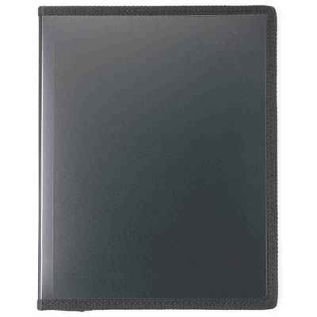
 |  |  |  |  |  | DECORATION : |  |  | DEBOSS
 |  |  |  |  |  | PACKAGING : |  |  | 66P1025
 |  |  |  |  |  | SHIPPING : |  |  | GROUND
 |  |  |  |  |  | TYPE : |  |  | DOMESTIC

 |  |  |  |  |  | PRICING

 |  |  |  |  |  | QUANTITY |  |  | 500 | 1000 | 100000
 |  |  |  |  |  | PRICE |  |  | $4.05 | $3.95 | $3.85
 |  |  |  |  |  | SUBTOTAL |  |  | $2,025.00 | $3,950.00 | $385,000.00
 |  |  |  |  |  | RUN CHARGE |  |  | $0.00 | $0.00 | $0.00
 |  |  |  |  |  | SETUP PRICE |  |  | $0.00 | $0.00 | $0.00

 | Code : | ST01 |  |  | COLOR: |  | PMS BLACK -00ST0100BLK
 | Polypro Padfolio - 9 1/4" x 12 1/2"
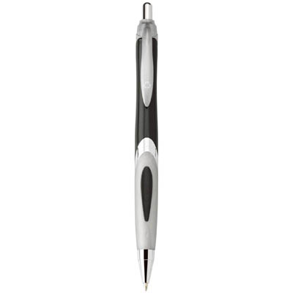
 |  |  |  |  |  | DECORATION : |  |  | DEBOSS
 |  |  |  |  |  | PACKAGING : |  |  | 66P1025
 |  |  |  |  |  | SHIPPING : |  |  | GROUND
 |  |  |  |  |  | TYPE : |  |  | DOMESTIC

 |  |  |  |  |  | PRICING

 |  |  |  |  |  | QUANTITY |  |  | 500 | 1000 | 100000
 |  |  |  |  |  | PRICE |  |  | $4.05 | $3.95 | $3.85
 |  |  |  |  |  | SUBTOTAL |  |  | $2,025.00 | $3,950.00 | $385,000.00
 |  |  |  |  |  | RUN CHARGE |  |  | $0.00 | $0.00 | $0.00
 |  |  |  |  |  | SETUP PRICE |  |  | $0.00 | $0.00 | $0.00

 | Code : | ST01 |  |  | COLOR: |  | PMS BLACK -00ST0100BLK
 | Polypro Padfolio - 9 1/4" x 12 1/2"

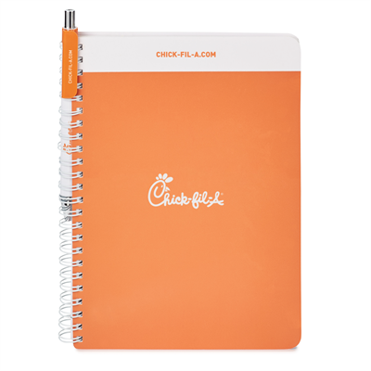
 |  |  |  |  |  | DECORATION : |  |  | DEBOSS
 |  |  |  |  |  | PACKAGING : |  |  | 66P1025
 |  |  |  |  |  | SHIPPING : |  |  | GROUND
 |  |  |  |  |  | TYPE : |  |  | DOMESTIC

 |  |  |  |  |  | PRICING

 |  |  |  |  |  | QUANTITY |  |  | 500 | 1000 | 100000
 |  |  |  |  |  | PRICE |  |  | $4.05 | $3.95 | $3.85
 |  |  |  |  |  | SUBTOTAL |  |  | $2,025.00 | $3,950.00 | $385,000.00
 |  |  |  |  |  | RUN CHARGE |  |  | $0.00 | $0.00 | $0.00
 |  |  |  |  |  | SETUP PRICE |  |  | $0.00 | $0.00 | $0.00

 |  |  |  | COMMENTS
 | ***THIS QUOTE IS VALID FOR 2 WEEKS***
 | ***MESSAGE 2***
 | ***MESSAGE 3***

 | N:# P(Q)16-0532 |  |  | PROGRAM(QUOTE) PRICING FORM

 |  |  | Thank you for including our products in your program(quote).Please reference the supplier program(quote) number on your P.O. Please note the comments below for additional important information.

CUSTOMER#: |  |  | 100055 |  |  |  |  | PROGRAM :
 | ADDRESS : |  | 115 WATERBURYROAD PROSPECTS CT US |  |  |  |  | PROGRAM DATE :
 |  |  |  |  |  |  |  | IMPRINT :
 | CONTACT: |  | Nick Deramo |  |  |  |  | PROGRAM START DATE :
 | PHONE: |  | (203) 758-3231 |  |  |  |  | PROGRAM END DATE :
 | EMAIL: |  | nick@triplestitch.com
 |  |  |  |  |  |  |  | SPECTOR CONTACT : |  | Ion Dobrea
 |  |  |  |  |  |  |  | SPECTOR EMAIL : |  | iond@spectorandco.ca

 | Code : | ST01 |  |  | COLOR: |  | PMS BLACK -00ST0100BLK
 | Polypro Padfolio - 9 1/4" x 12 1/2"

 |  |  |  |  |  | DECORATION : |  |  | DEBOSS
 |  |  |  |  |  | PACKAGING : |  |  | 66P1025
 |  |  |  |  |  | SHIPPING : |  |  | GROUND
 |  |  |  |  |  | TYPE : |  |  | DOMESTIC

 |  |  |  |  |  | PRICING

 |  |  |  |  |  | QUANTITY |  |  | 500 | 1000 | 100000
 |  |  |  |  |  | PRICE |  |  | $4.05 | $3.95 | $3.85
 |  |  |  |  |  | SUBTOTAL |  |  | $2,025.00 | $3,950.00 | $385,000.00
 |  |  |  |  |  | RUN CHARGE |  |  | $0.00 | $0.00 | $0.00
 |  |  |  |  |  | SETUP PRICE |  |  | $0.00 | $0.00 | $0.00

 | Code : | ST01 |  |  | COLOR: |  | PMS BLACK -00ST0100BLK
 | Polypro Padfolio - 9 1/4" x 12 1/2"

 |  |  |  |  |  | DECORATION : |  |  | DEBOSS
 |  |  |  |  |  | PACKAGING : |  |  | 66P1025
 |  |  |  |  |  | SHIPPING : |  |  | GROUND
 |  |  |  |  |  | TYPE : |  |  | DOMESTIC

 |  |  |  |  |  | PRICING

 |  |  |  |  |  | QUANTITY |  |  | 500 | 1000 | 100000
 |  |  |  |  |  | PRICE |  |  | $4.05 | $3.95 | $3.85
 |  |  |  |  |  | SUBTOTAL |  |  | $2,025.00 | $3,950.00 | $385,000.00
 |  |  |  |  |  | RUN CHARGE |  |  | $0.00 | $0.00 | $0.00
 |  |  |  |  |  | SETUP PRICE |  |  | $0.00 | $0.00 | $0.00

 | Code : | ST01 |  |  | COLOR: |  | PMS BLACK -00ST0100BLK
 | Polypro Padfolio - 9 1/4" x 12 1/2"

 |  |  |  |  |  | DECORATION : |  |  | DEBOSS
 |  |  |  |  |  | PACKAGING : |  |  | 66P1025
 |  |  |  |  |  | SHIPPING : |  |  | GROUND
 |  |  |  |  |  | TYPE : |  |  | DOMESTIC

 |  |  |  |  |  | PRICING

 |  |  |  |  |  | QUANTITY |  |  | 500 | 1000 | 100000
 |  |  |  |  |  | PRICE |  |  | $4.05 | $3.95 | $3.85
 |  |  |  |  |  | SUBTOTAL |  |  | $2,025.00 | $3,950.00 | $385,000.00
 |  |  |  |  |  | RUN CHARGE |  |  | $0.00 | $0.00 | $0.00
 |  |  |  |  |  | SETUP PRICE |  |  | $0.00 | $0.00 | $0.00

 |  |  |  | COMMENTS
 | ***THIS QUOTE IS VALID FOR 2 WEEKS***
 | ***MESSAGE 2***
 | ***MESSAGE 3***

